Title
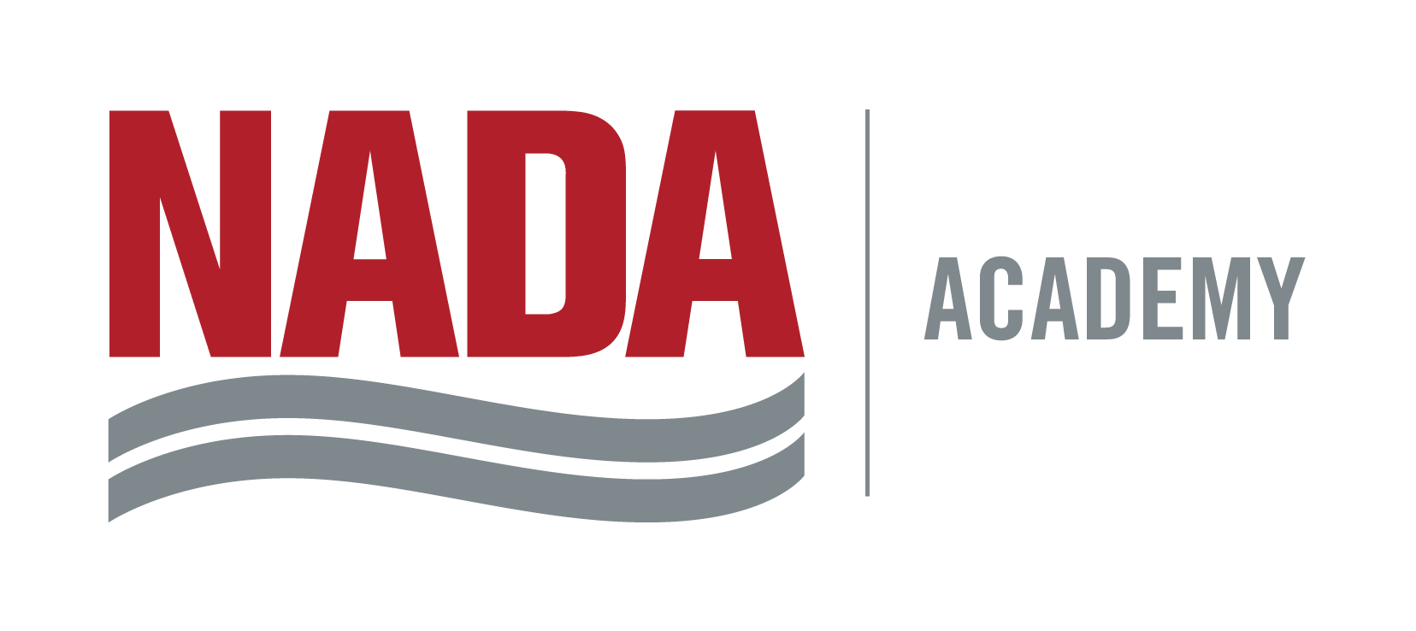

Repair Order Analysis
And Summary |  | 2017-12-04

Dealership

Student

Class and ID Number | Computer Application by George A. Parker Management Instructor NADA Dealer Academy

Summary Report
Repair Order Analysis Summary Report

 |  | Sales in Dollars |  | FRH's on RO's
 |  |  |  |  |  | Averages | Analysis
Competitive |  | $1,130 | ÷ | 24.70 | = | 45.74 | FRH Average
Maintenance |  | $571 | ÷ | 10.30 | = | 55.44 | FRH Average
Repair |  | $5,421 | ÷ | 60.90 | = | 89.02 | FRH Average
Totals |  | $7,122 | ÷ | 95.90 | = | 74.27 | Customer ELR
 |  |  |  |  | Target Labor Rate | 84.65 | Per FRH
Total Ro's in Sample |  | 100 |  |  | Difference | -10.38 | Per FRH

Cost of Labor
Total Cost of Labor |  | 2521.90 | ÷ | Total Sales | = | 35.41% | Percent Cost of Sales
Total Cost of Labor |  | 2521.90 | ÷ | Total FRH's | = | 26.30 | Cost per FRH

Repair Order Measurements
Total Labor Sales |  | 7,122.02 | ÷ | Total RO's | = | 71.22 | Avg Labor per RO
Total FRH's |  | 95.90 | ÷ | Total RO's | = | 0.96 | Avg FRH's per RO
Menu Sales |  |  | ÷ | Total RO's | = |  | Percent Menu Sales
Competitive FRH's |  | 24.70 | ÷ | Total FRH's | = | 25.76% | Percent Competitive
Maintenance FRH's |  | 10.30 | ÷ | Total FRH's | = | 10.74% | Percent Maintenance
Repair FRH' |  | 60.90 | ÷ | Total FRH's | = | 63.50% | Percent Repair
One item RO's |  | 64 | ÷ | Total RO's | = | 64.00% | Percent One Item RO

Model Year Analysis
2018 | 2017 | 2016 |  | 2015 | 2014 |  | 2013 | Older | Total
0 | 2 | 7 |  | 9 | 10 |  | 7 | 65 | 100
0.00% | 2.00% | 7.00% |  | 9.00% | 10.00% |  | 7.00% | 65.00%

Labor Mix

